Predev App Cover
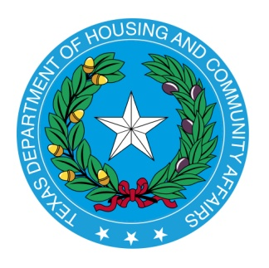

2021 Multifamily Predevelopment Application

 | 1-May-21

